Registration
 | LOUISIANA DECA SPORTS & ENTERTAINMENT
 | MARKETING CONFERENCE
 | In coordination with the New Orleans Pelicans, NBA Franchise
 | Friday, January 26, 2024 |  |  |  |  |  |  |  |  | vs.
 | 12:30 p.m.- 9:30 p.m. – Smoothie King Arena (next to Superdome)
 | REGISTRATION INVOICE/ORDER FORM
 | The prices below include registration, a conference t-shirt, insurance, competition awards, and the option to purchase a group priced ticket to the Pelicans to complete the conference experience. Dinner is on your own between 5-6:30 p.m. (many restaurants nearby including Dave & Busters, Mothers, Rotolo's, etc.)

 | If you order game tickets, you must pay for them once DECA orders them. There are no refunds. Email this order form (both pages) by Dec. 8. (tickets can be added later by paying a $5 late fee and are subject to availability. If school is involved in football playoffs, contact Paul to avoid late fee. Mail your payment by the same date.
 | DECA members and non-DECA members are invited to attend. You can invite friends, family, other people at your school to meet for the game.
 | There are NO REFUNDS once we order tickets.
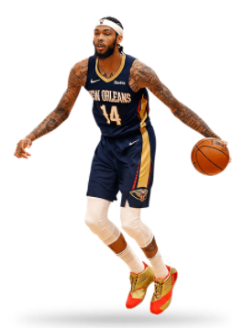
 | Game Seat Types MERA Grant Pays Registration Cost |  |  |  | Registration | Game Ticket Price Each | Quantity |  | Totals
 | How many of your students (and yourself) are to be registered using MERA Grant funds?
 | How many in your order are paying to attend the daytime conference and get a t-shirt? |  |  |  | $20 |  |  |  | $-
 | Balcony End |  |  |  |  | $25.00 |  |  | $-
 | Lower corner/ends |  |  |  |  | $75.00 |  |  | $-
 | Lower sideline |  |  |  |  | $150.00 |  |  | $-
 | Car Parking (you can pay $20 ahead of time or pay more on your own) |  |  |  |  | $20.00 |  |  | $-
 | Reserve a bus parking spot; can't be paid by Grant-pay DECA |  |  |  |  | $40.00 |  |  | $-
 | Late Fee - Tickets ordered after Dec. 8 must pay $5 per ticket extra-Enter Total Late Order on the above lines in Quantity Box and then in the Quantity Box on this line |  |  |  |  | $5.00 |  |  | $-
 | TOTAL OWED TO LA. DECA |  |  |  |  |  |  |  | $-
 | Conference T-Shirt | Quantity | Teacher
 | Small |  | School Name
 | Medium |  | Email Address
 | Large |  | Cell #
 | X-Large |  |  | Return this form with payment payable to:
 | 2X-Large |  |  | La. DECA, 26236 Wax Rd., Denham Springs, LA 70726.
 | 3X-Large |  |  | Louisiana DECA Tax I.D. # 72-6025338.
 | 4X-Large |  |  | Questions? Call: Paul Grethel at (504) 301-7194
 | TOTAL T-shirts | 0 |  |  |  | List tentative student names on next page (used for MERA Grant)
 | Click tabs below to get permission slip, agenda, parking info, bus parking info, and Marketing Minute Rubric for judging.
vs.
LOUISIANA DECA SPORTS & ENTERTAINMENT
MARKETING CONFERENCE
In coordination with the New Orleans Pelicans, NBA Franchise
Friday, January 26, 2024
12:30 p.m.- 9:30 p.m. – Smoothie King Arena (next to Superdome)
REGISTRATION LIST OF ALL ATTENDEES
 | We recommend that you list everyone's name followed by a hyphen and then their t-shirt size.
For those with MERA Grant, the grant pays registration only for 1 teacher and his/her students up to the total remaining in the grant.
# | Attendee's Name-Size |  | # | Attendee's Name-Size |  |  |  | # | Attendee's Name-Size
1 |  |  | 21 |  |  |  |  | 41
2 |  |  | 22 |  |  |  |  | 42
3 |  |  | 23 |  |  |  |  | 43
4 |  |  | 24 |  |  |  |  | 44
5 |  |  | 25 |  |  |  |  | 45
6 |  |  | 26 |  |  |  |  | 46
7 |  |  | 27 |  |  |  |  | 47
8 |  |  | 28 |  |  |  |  | 48
9 |  |  | 29 |  |  |  |  | 49
10 |  |  | 30 |  |  |  |  | 50
11 |  |  | 31 |  |  |  |  | 51
12 |  |  | 32 |  |  |  |  | 52
13 |  |  | 33 |  |  |  |  | 53
14 |  |  | 34 |  |  |  |  | 54
15 |  |  | 35 |  |  |  |  | 55
16 |  |  | 36 |  |  |  |  | 56
17 |  |  | 37 |  |  |  |  | 57
18 |  |  | 38 |  |  |  |  | 58
19 |  |  | 39 |  |  |  |  | 59
20 |  |  | 40 |  |  |  |  | 60

PermissionSlip
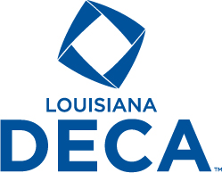
Louisiana Association of DECA |  |  | Paul J. Grethel
dba Louisiana DECA |  |  | Executivve Director
26236 Wax Rd. |  |  | Cell/Texting: 504-301-7194
Denham Springs, LA 70726 |  |  | FAX: 225-683-8610
Website: www.louisianadeca.com |  |  | Email: paul.grethel@gmail.com

"Preparing emerging leaders and entrepreneurs in marketing, finance, hospitality and management."

Code of Conduct and Attendance Permission Form
Louisiana DECA/NBA Pelicans Sports Marketing Career Conference

CODE OF CONDUCT
I agree to follow the Louisiana DECA Code of Conduct while attending the La. DECA Sports Marketing Career Conference. The term “delegate” shall mean any student or adult attending the conference. I, being a delegate at this conference and while attending the conference, will:
1. not deface any property. (The individual or chapter responsible must pay damages to any property or furnishing.)
2. keep my advisors/chaperone(s) informed of my activities and whereabouts at all times.
3. be prompt, alert, and prepared for all activities.
4. be financially prepared for all possibilities.
5. refrain from the use of or possession of alcoholic beverages or narcotics in any form at any time, under any circumstances.
6. attend all speaker presentations and other activities being on time to each activity.
7. follow the appropriate dress code. (For this activity, school uniforms or school-approved attire will be considered appropriate. Jeans are appropriate if your school approves of them; they must be full length and without holes. A t-shirt will be supplied at the event and may be worn also.)
8. follow all these rules and know that any infractions will be documented with the La. DECA Executive Council, and the CT Supervisors, Administrators, and Superintendent of my school district.
9. not bring a bag larger than 14”x14”x6” to the game; limit 1 bag per person & includes backpacks and any other bags.

ATTENDANCE |  | TEACHERS: Keep this with you at conference.
This is to certify that (student’s name)_______________________________________________ whose T-shirt size is _____(S, M, L, XL, 2XL, 3XL, 4XL) has my permission to attend the above named DECA activity on (date) ________________________________________. I also do hereby, on behalf of (print student’s name below) __________________________________________________________________ absolve and release the school officials, the DECA chapter advisors and the assigned Louisiana DECA staff from any claims for personal injuries or illness which might be sustained while he/she is en route to and from or during the DECA-sponsored activity. I also give La. DECA permission to publish any pictures taken of my child while participating at this event in newspapers or on the La. DECA website.

EMERGENCY
I authorize the advisor to secure the services of a physician or hospital, and to incur the expenses for necessary services in the event of accident or illness, and I will provide for the payment of these costs. (Please write any special medical needs, medicines or allergies to medicines that your child has at the bottom of this note under your phone #.)

We have read and agree to abide by the DECA Code of Conduct. We also agree that the school Officials, the DECA chapter advisors, the state/province DECA staff, or the Conference Conduct Committee, have the right to send (student’s name)________________________________home from the activity at our expense, provided that he/she has violated the Code of Conduct and/or his/her conduct has become a detriment.

__________________________________________ ______________________________________
Student Signature | Chapter Advisor Signature

__________________________________________ ______________________________________
Parent/Guardian Signature |  | School Official Signature

ArenaArea
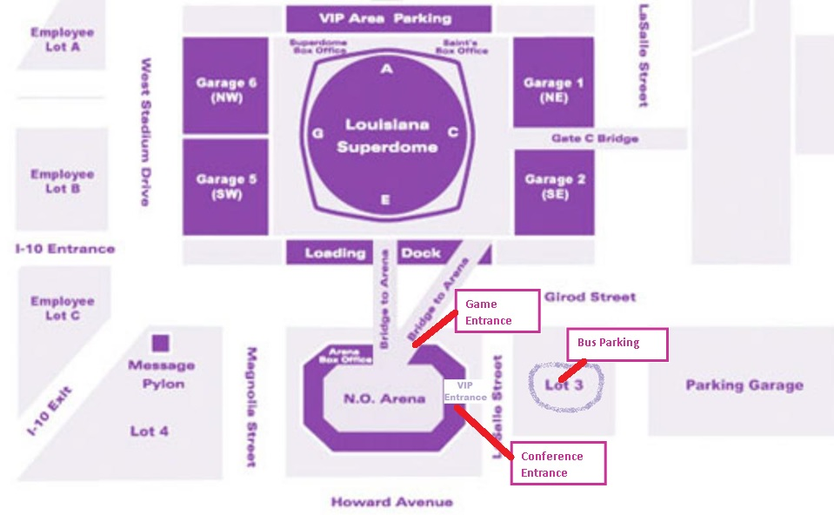
BAG POLICY
Large/oversized bags are prohibited. (Maximum bag size is 14" width x 14" height x 6" depth).

