GeneralInfo
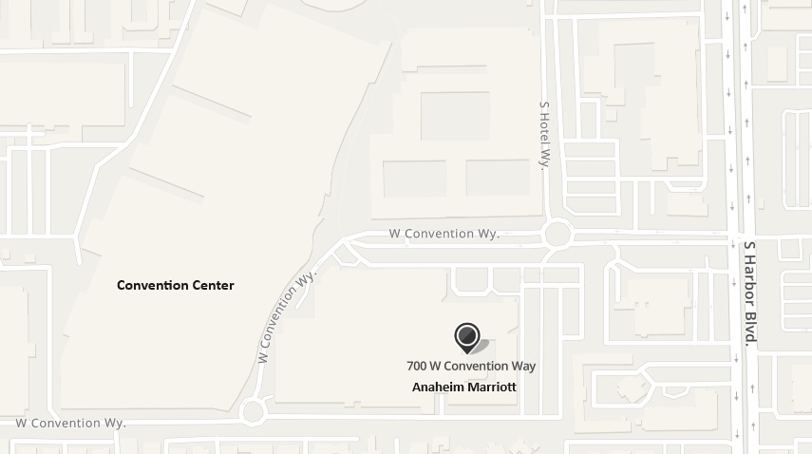
DECA ICDC
Info Packet

DECA’s International Career Development Conference supports education initiatives such as:
 |  |  | Click any of the 11 tabs showing at the
Career Clusters |  |  | bottom of this spreadsheet to access
National Curriculum Standards |  |  | other information.
21st Century Skills
The National Association of
Secondary School Principals
Common Core State Standards
Project-based Learning
Personal Financial Literacy
In this packet you will find the DECA ICDC Registration Information.

ConferenceDates: April 26-May 1 or April 27-May 1 (you choose)
Hotel: La. DECA has been assigned to Anaheim Marriott, 700 West Convention Way, Anaheim, CA

Email back by March 20 the Excel Spreadsheet to |  | paul.grethel@gmail.com
Checklist/Due Dates
2024-03-20 | Email spreadsheeet listing attendees, lodging, events, t-shirt sizes to state advisor
2024-03-22 | Mail check for $100 deposit on each person attending. |  |  | Click the 3 dots at the bottom
2023-04-05 | Last day for changes. Changes* are $10 each; if a registration drops, their $100 deposit is not refundable |  |  | of this spreadsheet to access
2023-04-15 | Balance of payments owed to La. DECA must be mailed/postmarked. |  |  | additional pages with information.

*Any changes are $10 each. Email state advisor, the name, event, t-shirt size (if applicable)
and if a team member, list the other team members.

Room Sharing: You might want to share rooms with other schools. It is up to you
to arrange this and then let me know. Also, keep in mind what might happen
(increased room costs for you) if some cancels in a shared room. La. DECA
is not responsible for increased room costs.

The teacher/advisor must bring the Conduct and Permission Forms with them to
ICDC. Keep these in your possession.

Each state has a limited hotel allotment. We will fill our room allotment as completed chapter orders arrive. Keep in mind that if we run out of rooms, those schools that registered later could end up at another hotel if we can’t get additional rooms through national DECA.

If you have any students with special needs/accommodations, please contact Paul Grethel for a form to fill out.

We have a limited # of rooms that are assigned to us. We will assign these to
those who turn in their registration first. Once we use our room allotment,
we may be able to get additional rooms; however, if we don't, you may be
assigned to a different hotel as this year our delegation is not moving everyone.

TOUR OF LOS ANGELES/HOLLYWOOD
La. DECA is not charging you for this tour, but we have arranged a bus to take
the first 55 people on this tour if they arrive at the LAX airport on Friday.
We plan for those present to put thir luggage under the bus and take the
tour. The bus will drop us off at the hotel later that evening, so you will
save transportation from the airport to the hotel which is an hour away.
Be sure to check the box off on your Registration Invoice if you plan to attend.

RegistrationInfo
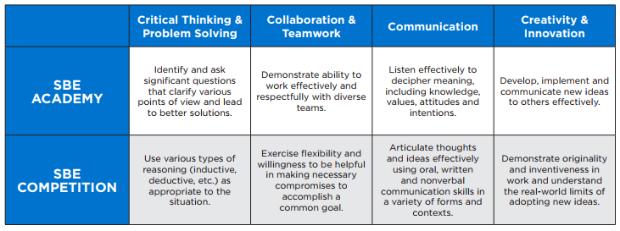
Registering for ICDC |  |  | All money will be mailed to Louisiana DECA who will pay all expenses;
Sign in to your Membership Portal |  |  | however, you must register your students in the Membership Portal. Do
Select Conferences |  |  | Not Pay anything to DECA as La. DECA will pay expenses.
Select 2024 ICDC - Chapter Registration
How to register for ICDC

1. Select Register Advisors and follow the prompts
2. Select Register Students and follow the prompts (have email and cell phone # for each ready to input)
3. Anyone else attending should be registered as a chaperone/family member, etc.
4. Click Accept Disclaimers
5. Click Submit Registration
6. Click Confirm | Balance should show as $0 as you will pay directly to La. DECA
7. Click the Export Registration button to export a copy of your registration. E-mail the file to your chartered association advisor (paul.grethel@gmail.com)
8. Email paul.grethel@gmail.com your rooming list. If you are sharing a room with students from another school, 1 of the advisors should list all the students in the one room, the other advisor should not. Between the two of you, work out how you are paid. Think about what happens if someone in the room cancels.

ALL STUDENTS ATTENDING ICDC MUST HAVE ATTENDED THE STATE CONFERENCCE AND MUST BE IN A COMPETITIVE EVENT OR AN EMERGING LEADER SERIES
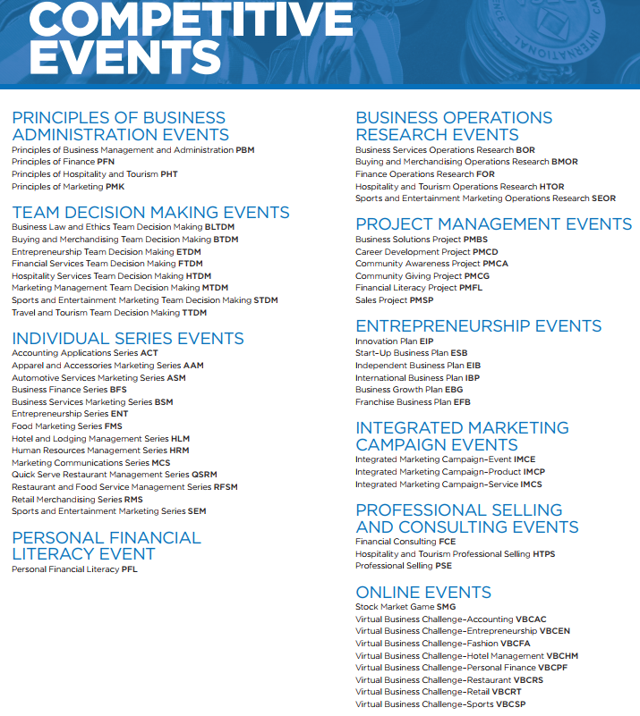 |  |  | Remember that written projects must be uploaded to the DECA online system between March 27 and April 10

DECA’S EMERGING LEADER SERIES is designed to empower DECA members to provide effective leadership through goal setting, consensus building and project implementation.

Aligned with 21st Century Skills in the areas of critical thinking and problem solving, communication, collaboration and creativity, and innovation, DECA’s Emerging Leader Series prepares members to be effective leaders in college and careers. All of these academies are available during the DECA International Career Development Conference, and Elevate and Empower are also available at the DECA Emerging Leader Summit.

These workshops would be for those students who did not place in the top 3 at the state conference but who want to attend ICDC since everyone who attends ICDC must be in either a competitive event or a workshop. Only those who attended CDC are eligible to attend ICDC and only if room is available.

Here are the four Leadership Programs that a DECA member can participate in. These last 2 days during ICDC.

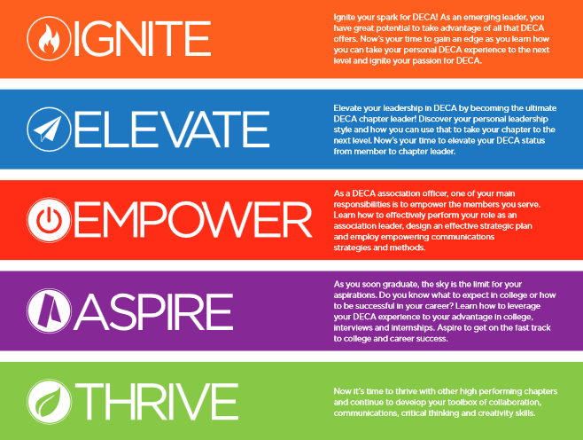
DECA'S Emerging Leader Series (for those not in competition)
 |  | Ignite is for underclassmen

 |  | Elevate is for Chapter Leaders

 |  | Empower is for state officers only

 |  | Aspire is for graduating senior only

 |  | Thrive is by invite only and earned through the DECA Campaigns

SBE Competition

PermissionSlip
INTERNATIONAL CAREER DEVELOPMENT CONFERENCE
LOUISIANA ATTENDANCE PERMISSION FORM

DRESS CODE FOR ICDC Approved by the DECA Board of Directors

Professional appearance is an important aspect of the overall preparation of DECA members for the business world. To that end, DECA supports a dress code for its career-based functions that exemplifies the highest standards of professionalism while being nondiscriminatory between genders. DECA’s board of directors has developed the following official dress standards for the International Career Development Conference. Students, advisors and chaperones must follow the dress code. Competitors must wear an official DECA blazer during interaction with the judges. While official DECA blazers are not required during briefing and testing, professional business dress is required. Professional dress should also be worn to all conference sessions including workshops and special meal functions such as luncheons. For a more polished, professional appearance, it is recommended that attendees wear appropriate hosiery/socks. All skirts and dresses must be at or below the knee.

Competitors must wear an official DECA blazer during interaction with judges. While you do not have to wear an official DECA blazer during briefing and testing, professional business dress is required.

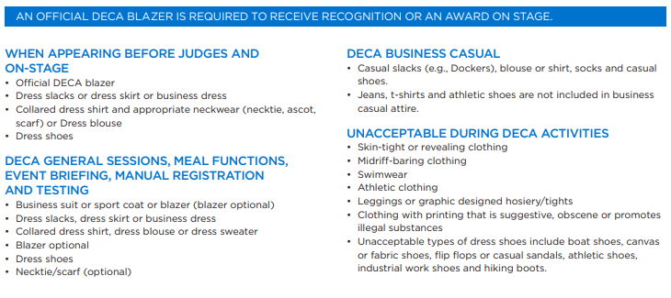

When judging adherence to the dress code, DECA asks that advisors, teachers and chaperones use observation as the tool for assessing compliance. DECA does not support or condone the touching of students or their clothing as a means of determining whether or not a student is following the dress code guidelines.
Any medical exceptions to this code must be documented in the conference headquarters prior to the beginning of the conference. This is the responsibility of the local advisor.

ATTENDANCE

This is to certify that ___________________________has my permission to attend the above named DECA activity. I also do hereby on behalf of him/her absolve and release the school officials, the DECA chapter advisors and the assigned chartered association DECA staff from any claims luggage transportation or for personal injuries or illness which might be sustained while he/she is en route to and from or during the DECA sponsored activity.

EMERGENCY

Any medical exceptions to this code must be documented in the conference headquarters prior to the beginning of the conference. This is the responsibility of the local advisor.

I authorize the advisor to secure the services of a physician or hospital, and to incur the expenses for necessary services in the event of accident or illness, and I will provide for the payment of these costs.

We have read and agree to abide by the DECA Code of Conduct. We also agree that the school officials, the DECA chapter advisors, the chartered association DECA staff, or the Conference Conduct Committee members have the right to send home from the activity at our expense, provided that he/she has violated the Code of Conduct and/or his/her conduct has become a detriment.
Student Signature_________________________________________________________________
Parent/Guardian Signature_____________________________________Phone_________________
Chapter Advisor Signature__________________________________________________________
School Official Signature___________________________________________________________
Insurance Company Name________________________________ Policy #___________________

Miscellaneous
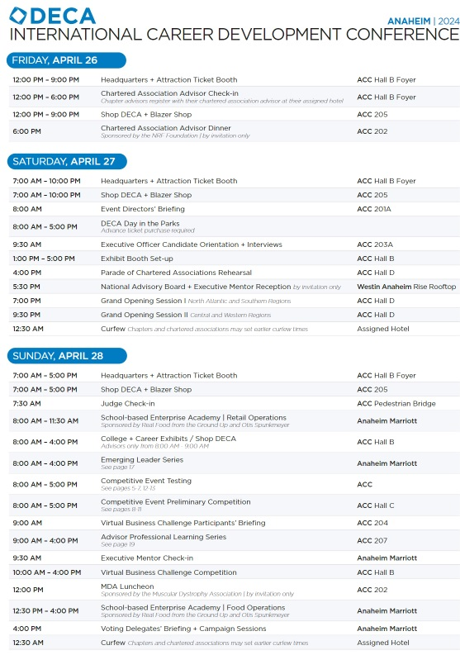
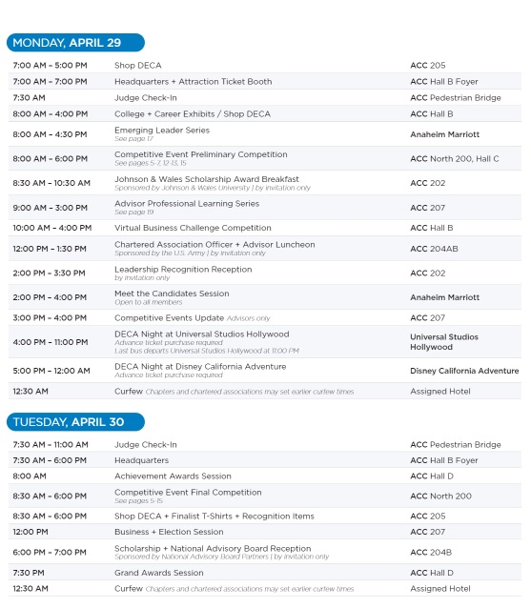
DECA’S EMERGING LEADER SERIES is designed to empower DECA members to provide effective leadership through goal setting, consensus building and project implementation.
Aligned with 21st Century Skills in the areas of critical thinking and problem solving, communication, collaboration and creativity, and innovation, DECA’s Emerging Leader Series prepares members to be effective leaders in college and careers. All of these academies are available during the DECA International Career Development Conference, and Elevate and Empower are also available at the DECA Emerging Leader Summit.

Here are the four Leadership Programs that a DECA member can participate in. These last 2 days during ICDC.

IGNITE: 1st year members should enroll
ELEVATE: potential chapter officers and leaders should enroll
EMPOWER: state association officers should enroll; limited to only state officers
ASPIRE: seniors should enroll
THRIVE: chapters which achieved the Thrive Level in the Campaigns will receive positions in this program

These workshops would be for those students who did not place in the top 3 at the state conference but who want to attend ICDC since everyone who attends ICDC must be in either a competitive event or a workshop. Only those who attended CDC are eligible to attend ICDC and only if room is available.

PACKING & AIRPORT INFORMATION

CARRY ON BAGS (PROVIDED WITH YOUR FLIGHT COST):
One bag plus one personal item not exceeding 51 inches - max. weight, 40 lbs.
Only travel size toiletries (3oz or less)! Only those that can be purchased at a drug store
Toiletries must fit in a quart size (7.5” x 8”) bag that is clear with a zip top
The bag must be presented separately at the security checkpoint and screening area

CHECKED BAGGAGE (usually $25-30 for 1st bag; this is not provided with your flight cost - if you want this you must pay this balance with your own credit card):
Must include name and address on tags on the outside of your luggage
Check parameters for your airline--Each bag cannot exceed 50 lbs. or 62 inches (total length + width + height)

CONSIDERATIONS FOR PACKING:
DECA Presentation Materials – Computer, Poster boards, Official Paper (if appropriate)
DECA BLAZER
Coordinating Clothes for blazer: DRESS khaki skirt/pants, ties, dress shirt
Outfit for opening session. This is a professional marketing conference.
Toiletries; toothbrush, paste, deodorant, shaving supplies, makeup, hair gel, straighteners, or curling irons (if you use one), etc.
Camera (if you don’t use your phone)
Casual Clothes for downtime and sleeping; jeans, sweats, shorts/t-shirts
Sun Screen (put in checked bag)
Money for food and spending
Food will probably be around $150-$200
VALID ID for Airport & Competition (this is a requirement to compete – Picture ID)
Homework, book, movie, or magazine to read or watch on the plane
Phone or iPad, laptop (plus chargers)
Headphones
Extra towel and facecloth (just in case)
Favorite pillow (if you must have it)
Any medications you need and band-aids

TENTATIVE PROGRAM

